KKO
KAJIAN KELAYAKAN OPERASI

DAYA LAMA |  |  |  | DAYA BARU
Nama Pelanggan | : | PD ABDUL ROHIM 11-23KVA |  | Nama Pelanggan | : | PD ABDUL ROHIM 11-23KVA
Daya Lama (VA) | : | 11000 |  | Daya Baru (VA) | : | 23000
Jumlah Fasa | : | 1 | * | Jumlah Fasa | : | 3
Tegangan Sekunder Pengukuran rata-rata (Fasa-Netral) (V) | : | 220 | * | Tegangan Sekunder Pengukuran rata-rata (Fasa-Netral) (V) | : | 380
Beban Pelanggan (A) | : | 50.14 |  | Beban Pelanggan (A) | : | 34.94

SUPLAI TRAFO EKSISTING |  |  |  | SUPLAI TRAFO RENCANA
Nomor Tiang | : | MGN02-55 |  | Nomor Tiang | : | MGN02-55A
Penyulang | : | MGN02 |  | Penyulang | : | MGN02
Daya | : | 100 | * | Daya | : | 50
Jumlah Fasa | : | 3 | * | Jumlah Fasa | : | 3
Beban TRAFO (Pengukuran Lapangan) |  | 100 |  | Beban TRAFO | : | 50.00
Beban Primer | : | 2.89 | * | Beban Primer | : | 1.44
Beban Sekunder | : | 151.93 | * | Beban Sekunder | : | 75.97
Beban (A) | : | #VALUE! |  | Beban (A) | : | #VALUE!
Prosentase Pembebanan | : | 66% |  | Beban (A) | : | 66%
 | 66% | 100%
Prosentase Pembebanan | : | 100% |  | Beban (A) | : | 100%

DATA





DATA
Tahun | : | 2022
Discount Rate | : | 12%
Transfer price TM | : | 1,084 |  | Marginal COST maret 2022
Umur ekonomis (tahun) | : | 25.00
Selisih Susut Teknis | : | 2.25%
∑ Daya | : | 12
BP (Rp) | : | 11,244,000
RAB (Rp) | : | 88,951,752
Biaya O&M (2% invest) | : | 1,779,035.04

Nama Pelanggan | : | PD ABDUL ROHIM 11-23KVA | *
Golongan Pelanggan | : | B2 | *
Jenis Layanan | : | REGULER | *
Daya Lama (kVA) | : | 11 | *
Daya Baru (kVA) | : | 23 | *
Tarif WBP (Rp/kWh) | : | 1,444.70 | *
Tarif LWBP (Rp/kWh) | : | 1,444.70 | *
BP (Rp/VA) TR | : | 937 | *
Jam Nyala | : | 40 | *

RAB
 |  | PT. PLN ( PERSERO )
 |  | UNIT INDUK DISTRIBUSI JAWA TENGAH & DI YOGYAKARTA |  |  |  |  |  |  |  |  |  | RAB TOTAL
 |  | UP3 DEMAK |  |  |  |  |  |  |  |  | RAB TOTAL | RAB NON MDU
 | RENCANA ANGGARAN BIAYA (RAB)

 |  |  |  | Pekerjaan | : | PD ABDUL ROHIM 11-23KVA
 |  |  |  | Lokasi | : | BANDUNGREJO NO.20 RT08 RW02
 |  |  |  | Pelaksana | : | PT. PLN (PERSERO) UP3 DEMAK
 |  |  |  | Anggaran | : | SAR 2023

Note !! 1. Saat Pengisian Uraian di mohon memasukan nama material sesuai dengan nama material di harga satuan
2. Mohon di cek kembali saat pengisian volume material
3. Untuk program Sarana Penunjang Fungsi tidak perlu SLO.
 | NO | URAIAN | GOL | SAT | VOL | HARGA SATUAN | BIAYA YANG DIPERLUKAN ( Rp )
 |  |  |  |  |  |  | MDU | HARDWARE | JASA | JUMLAH

#REF! | A | PEMASANGAN TIANG |  |  |  | 0 | 0 | 0 | 0 | 0
#REF! | + | Tiang Beton 12M-350 daN+E | HDW | Unit | 1 | 6,074,400 | 0 | 6,074,400 | 0 | 6,074,400
#REF! | + | Penomoran Tiang | JASA | Unit | 1 | 10,067 | 0 | 0 | 10,067 | 10,067
#REF! | + | Penghalang Panjat dan Papan Peringatan | HDW | Unit | 1 | 200,000 | 0 | 200,000 | 0 | 200,000
#REF! | + | Upah Pasang Tiang Beton 12M-350 daN+E | JASA | Unit | 1 | 852,274 | 0 | 0 | 852,274 | 852,274
#REF! |  |  |  |  |  | 0 | 0 | 0 | 0 | 0
#REF! | B | PEKERJAAN PEMASANGAN KONSTRUKSI |  |  |  | 0 | 0 | 0 | 0 | 0
#REF! |  |  |  |  |  | 0 | 0 | 0 | 0 | 0
#REF! | + | CC11 |  | Unit | 1 | 0 | 0 | 0 | 0 | 0
#REF! | 1 | Isolator Tumpu ( Pin Post ) 20 KV Porcelein | MDU-KD | Bh | 6 | 235,900 | 1,415,400 | 0 | 0 | 1,415,400
#REF! | 2 | Bolt Double Arming ⅝" x 14" | HDW | Bh | 2 | 40,000 | 0 | 80,000 | 0 | 80,000
#REF! | 3 | Bolt Machine / Bolt cariage ½" x ¾" | HDW | Bh | 2 | 7,938 | 0 | 15,876 | 0 | 15,876
v | 4 | Bolt Machine ⅝" x 10" | HDW | Bh | 1 | 26,500 | 0 | 26,500 | 0 | 26,500
#REF! | 5 | Bracket Secondary / Bracket insulated | HDW | Bh | 1 | 13,100 | 0 | 13,100 | 0 | 13,100
#REF! | 6 | Cross Arm Steel 3.000 mm ( UNSP 10 ) galvanis | HDW | Bh | 4 | 559,200 | 0 | 2,236,800 | 0 | 2,236,800
#REF! | 7 | Lock Nut ⅝" | HDW | Bh | 5 | 11,400 | 0 | 57,000 | 0 | 57,000
#REF! | 8 | Pole Band Double Rack 7" atau 7 ½" | HDW | Bh | 1 | 63,500 | 0 | 63,500 | 0 | 63,500
#REF! | 9 | Pole Band Single Rack 7" atau 7 ½" | HDW | Bh | 1 | 57,690 | 0 | 57,690 | 0 | 57,690
#REF! | 10 | Spool Insulator ANSI 53 - 2 | HDW | Bh | 1 | 28,000 | 0 | 28,000 | 0 | 28,000
#REF! | 11 | Steel L 70 x 70 x 7 x 1.682 mm galvanis | HDW | Bh | 2 | 250,000 | 0 | 500,000 | 0 | 500,000
v | 12 | Tie Wire # 4 / Alluminium bonding wire # 20 | HDW | Mtr | 11.6 | 8,550 | 0 | 99,180 | 0 | 99,180
#REF! | 13 | Washer Square 2 ¼" | HDW | Bh | 10 | 2,500 | 0 | 25,000 | 0 | 25,000
#REF! | 14 | Upah Pasang Konst. JTM 3 Fasa C11 | JASA | Unit | 1 | 136,300 | 0 | 0 | 136,300 | 136,300
#REF! |  |  |  |  |  | 0 | 0 | 0 | 0 | 0
#REF! | + | Trafo 3 Fasa 50 KVA 2 Tiang (G313) |  | Unit | 1 | 0 | 0 | 0 | 0 | 0
#REF! | 1 | Trafo 3 phasa 50 kVA YNyn0 | MDU-KD | Bh | 1 | 42,757,200 | 42,757,200 | 0 | 0 | 42,757,200
#REF! | 2 | Jumper Wire : |  |  |  | 0 | 0 | 0 | 0 | 0
#REF! |  | AAAC 70 mm² | MDU-KD | Mtr | 9 | 14,200 | 127,800 | 0 | 0 | 127,800
#REF! |  | NFA2X-T 3 x 70 + N 50 mm² |  |  | 3 | 0 | 0 | 0 | 0 | 0
v | 3 | Lightning Arester (Polymer) 21 KV, 10 KA | MDU-KD | Bh | 3 | 725,900 | 2,177,700 | 0 | 0 | 2,177,700
#REF! | 4 | FCO Polymer | MDU-KD | Bh | 3 | 848,250 | 2,544,750 | 0 | 0 | 2,544,750
#REF! | 5 | Fuse Link 6 A | HDW | Bh | 3 | 18,000 | 0 | 54,000 | 0 | 54,000
#REF! | 6 | Sepatu Kabel AL/CU Ring 95 | HDW | Bh | 13 | 64,300 | 0 | 835,900 | 0 | 835,900
#REF! | 7 | Bolt Machine / Bolt cariage ½" x ¾" | HDW | Bh | 28 | 7,938 | 0 | 222,264 | 0 | 222,264
#REF! | 8 | Bracket band segment,vertikal plat ( Hot dip galvanis ) | HDW | Bh | 2 | 404,600 | 0 | 809,200 | 0 | 809,200
#REF! | 9 | Compresion Conector H type 70 mm² / 70 mm² | HDW | Bh | 3 | 15,900 | 0 | 47,700 | 0 | 47,700
#REF! | 10 | Cross Arm Steel 2.000 mm ( UNSP 10 ) galvanis | HDW | Bh | 5 | 380,500 | 0 | 1,902,500 | 0 | 1,902,500
v | 11 | Cross Arm Steel 3.000 mm ( UNSP 10 ) galvanis | HDW | Bh | 4 | 559,200 | 0 | 2,236,800 | 0 | 2,236,800
#REF! | 12 | Hot Line Clamp ( 150mm² s/d 240 mm² ) | HDW | Bh | 3 | 173,400 | 0 | 520,200 | 0 | 520,200
#REF! | 13 | Pole Band Single Rack 7" atau 7 ½" | HDW | Bh | 2 | 57,690 | 0 | 115,380 | 0 | 115,380
#REF! | 14 | Pole Band Single Rack 8" atau 8 ½" | HDW | Bh | 2 | 60,300 | 0 | 120,600 | 0 | 120,600
#REF! | 15 | Steel L 70 x 70 x 7 x 780 mm galvanis | HDW | Bh | 4 | 129,000 | 0 | 516,000 | 0 | 516,000
 | 16 | Upah Pasang Trafo 3 Fasa 50 KVA 1 Tiang | JASA | Unit | 1 | 1,182,800 | 0 | 0 | 1,182,800 | 1,182,800
 |  |  |  |  |  | 0 | 0 | 0 | 0 | 0
#REF! | + | CM2-12 |  | Unit | 1 | 0 | 0 | 0 | 0 | 0
#REF! | 1 | Bimetalic Connector 35 - 240 mm² | HDW | Bh | 1 | 47,459 | 0 | 47,459 | 0 | 47,459
#REF! | 2 | Ground wire Cu 16 mm² | HDW | Mtr | 0.8 | 30,000 | 0 | 24,000 | 0 | 24,000
 | 3 | Ground rod & Washer | HDW | Bh | 1 | 9,500 | 0 | 9,500 | 0 | 9,500
 | 4 | Upah Pasang Acc.Jar M2-12 | JASA | Unit | 1 | 16,200 | 0 | 0 | 16,200 | 16,200
#REF! |  |  |  |  |  | 0 | 0 | 0 | 0 | 0
#REF! | + | SJ5 |  | Unit | 3 | 0 | 0 | 0 | 0 | 0
#REF! | 1 | Pole Band Double Up Side 7" atau 7 ½" | HDW | Bh | 3 | 61,800 | 0 | 185,400 | 0 | 185,400
#REF! | 2 | Spool Insulator ANSI 53 - 2 | HDW | Bh | 3 | 28,000 | 0 | 84,000 | 0 | 84,000
 | 3 | Tie Wire # 4 / Alluminium bonding wire # 20 | HDW | Mtr | 2.4 | 8,550 | 0 | 20,520 | 0 | 20,520
 | 4 | Upah Pasang Konst. JTR J5 | JASA | Unit | 3 | 33,200 | 0 | 0 | 99,600 | 99,600
#REF! |  |  |  |  |  | 0 | 0 | 0 | 0 | 0
#REF! |  |  |  |  |  | 0 | 0 | 0 | 0 | 0
 | + | NFA2X-T 3x70+1x70 | MDU-KD | Unit | 50 | 54,500 | 2,725,000 | 0 | 0 | 2,725,000
 | + | Upah Pasang Penghantar TR LVTC 3x70 + 1x50mm² | JASA | Unit | 1 | 223,500 | 0 | 0 | 223,500 | 223,500
#REF! |  |  |  |  |  | 0 | 0 | 0 | 0 | 0
 |  |  |  |  |  | 0 | 0 | 0 | 0 | 0
 |  |  |  |  |  | 0 | 0 | 0 | 0 | 0
v | D | PEKERJAAN PEMASANGAN APP |  |  |  | 0 | 0 | 0 | 0 | 0
#REF! | + | Daya 23.000 VA |  | Unit | 1 | 0 | 0 | 0 | 0 | 0
v | 1 | KWH Elektronik; 3P; 4W; 220/380V; 5(80) A; kls 1 (Pengukuran Langsung) | MDU-KD | Bh | 1 | 1,427,400 | 1,427,400 | 0 | 0 | 1,427,400
#REF! | 2 | Smart Box Langsung Daya 23 kVA MCCB 35 A | MDU-KD | Unit | 1 | 3,564,900 | 3,564,900 | 0 | 0 | 3,564,900
 | 3 | Modem 3G/4G | HDW | Unit | 1 | 1,113,900 | 0 | 1,113,900 | 0 | 1,113,900
#REF! | 4 | NFA2X 4 x 16 mm² | MDU-KD | Mtr | 35 | 13,500 | 472,500 | 0 | 0 | 472,500
#REF! | 5 | Upah Pasang SR + APP 3 Fasa | JASA | Unit | 1 | 106,400 | 0 | 0 | 106,400 | 106,400
v |  |  |  |  |  | 0 | 0 | 0 | 0 | 0
#REF! | E | PEMBONGKARAN |  |  |  | 0 | 0 | 0 | 0 | 0
#REF! |  |  |  |  |  | 0 | 0 | 0 | 0 | 0
#REF! |  |  |  |  |  | 0 | 0 | 0 | 0 | 0
 |  |  |  |  |  | 0 | 0 | 0 | 0 | 0
 |  | SLO |  |  |  | 0 | 0 | 0 | 0 | 0
 | 1 | Sertifikasi Laik Operasi | JASA | Lot | 1 | 2.5% |  |  | 1,954,554 | 1,954,554
 |  |  |  |  |  |  | 0 | 0 | 0 | 0

 |  | Jumlah MDU - Hardware - Jasa |  |  |  | : | 57,212,650 | 18,342,369 | 4,581,695 | 80,136,714
 |  | PPN 11% |  |  |  | : | 6,293,392 | 2,017,661 | 503,986 | 8,815,039
 |  | Jumlah Total |  |  |  | : | 63,506,042 | 20,360,030 | 5,085,681 | 88,951,752
 | Terbilang : Delapan Puluh Delapan Juta Sembilan Ratus Lima Puluh Satu Ribu Tujuh Ratus Lima Puluh Dua Rupiah

 | Harga yang dipakai adalah RAB HSS 2023

 |  |  |  |  |  |  |  | Tegowanu, Februari 2024
 |  |  |  |  |  |  |  | MANAGER ULP TEGOWANU

 |  |  |  |  |  |  |  | HARY PRATAMA

GAMBAR
 |  |  |  |  | PT. PLN (PERSERO) UP3 DEMAK
Hasil Ukur Trafo 3 Ph 50 KVA ( X ) di -
 | X0 | X1 | X2 | X3 | Keterangan Gambar :
SIANG | 11 | 87 | 82 | 108 | No | Nama Material |  |  | Baru |  | Eksisting
s
s
MALAM | 21 | 108 | 71 | 81 | 1 | Tiang Beton
 |  |  |  |  | 2 | Tiang Besi
 |  |  |  |  | 3 | JTM 3 Fasa
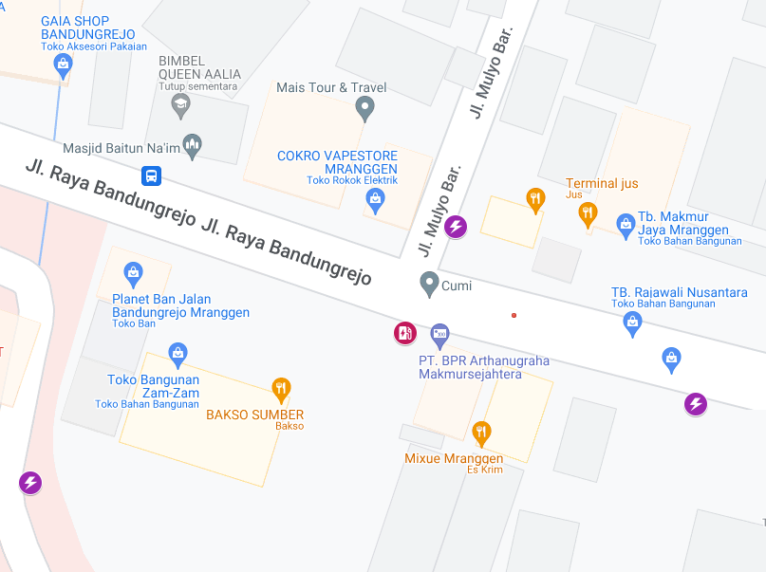
 |  |  |  |  | 4 | JTM 1 Fasa
 |  |  |  |  | 5 | JTR 1 Fasa Only / UB
 |  |  |  |  | 6 | JTR 3 Fasa Only / UB
 |  |  |  |  | 7 | Trafo 1 Fasa
 |  |  |  |  | 8 | Trafo 3 Fasa
 |  |  |  |  | 9 | Fuse Cut Out
 |  |  |  |  | 10 | ABSW
 |  |  |  |  | 11 | Vang Net
 |  |  |  |  | 12 | Schoor
 |  |  |  |  | 13

 |  |  |  |  | Bongkar Pasang Konstruksi :
 |  |  |  |  | Pasang |  |  |  | Bongkar
 |  |  |  |  | C12-350E |  | BTG | 1 | CG 312A-50KVA |  | U | 0
 |  |  |  |  | CC11 |  | U | 1
A
APP
 |  |  |  |  | CG312-A 50KVA |  | U | 1
 |  |  |  |  | CM2-11 |  | U | 0
37 m
37 m
 |  |  |  |  | CM2-11M |  | U | 2
 |  |  |  |  | CM2-12 |  | U | 1
JL SEMARANG - PURWODADI
 |  |  |  |  | SR APP 3P 23KVA |  | U | 1
 |  |  |  |  | LVTC 3X70+NX50mm2 |  | M | 50
 |  |  |  |  | PENGHALANG PANJAT |  | U | 1
 |  |  |  |  | PAPAN PERINGATAN |  | U | 1
APP
APP
 |  |  |  |  | SJ6 |  | U | 0
MGN06-202
2 SJ6
1 CM2-12
1 CM2-12A
1 CE1-2
1 F1-2
 |  |  |  |  | SJ5 |  | U | 3
 |  |  |  |  | CE1-2 |  | U | 0
s
s
 |  |  |  |  | F1-2 |  | U | 0
 |  |  |  |  | CM2-12A |  | U | 0
s
s
MGN06-203
1 SJ5
1 CM2-12
MGN02-55A
1 C12-350E
1 CC11
1 CG-312A 50KVA
2 CM2-11M
3 SJ5
1 CM2-12
1 SR APP 3PH 23KVA
1 PENGHALANG PANJAT
1 PAPAN PERINGATAN
MGN06-204
1 CC1-A
1 CG 312-A 50 KVA
2 CM2-11M
1 CJ6-T
1 CM2-12
1 CG313-A 100 KVA
1 SJ6
1 CM2-12
1 CM2-12A
1 CE1-2
1 F1-2
250 LVTC 3X70+NX50mm2

 |  |  |  |  | Keterangan Tambahan : -7.022394,110.502902
 |  |  |  |  |  |  |  |  |  |  |  |  | -7.022394, 110.502902
 |  |  |  |  | Golongan
 |  |  |  |  | No. Gambar |  | 1 |  |  | Lembar |  | dr
 |  |  |  |  | Gambar dari |  |  |  |  | Skala
 |  |  |  |  | Perihal:
 |  |  |  |  | PD ABDUL ROHIM 11-23KVA
 |  |  |  |  | BANDUNGREJO NO.20 RT08 RW02

 |  |  |  |  | Digambar |  | Staf Teknik
 |  |  |  |  | Diperiksa |  | TL. Teknik
 |  |  |  |  | Diketahui |  | Manager ULP
 |  |  |  |  | Disetujui |  | Man. Perencanaan

PETA
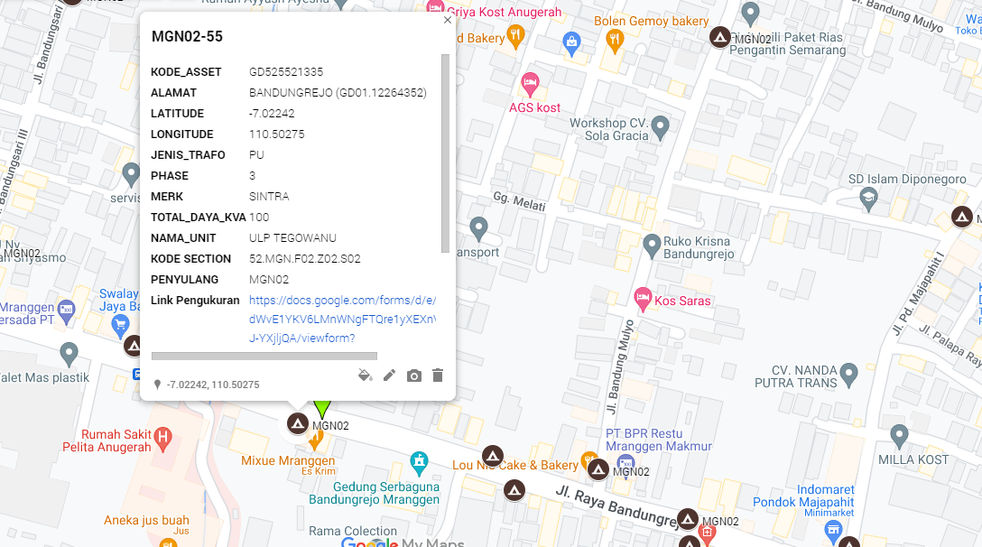
PETA LOKASI PELANGGAN

KOORDINAT LOKASI : -7.022394,110.502902

